Front Page
 |  |  | Standard input data

 |  |  | Content:
 |  |  | Survey Data
 |  |  | Drillstring and BHA
 |  |  | Wellbore Geometry
 |  |  | Rig data
 |  |  | Formation data
 |  |  | Pressure profile
 |  |  | Temperature profile
 |  |  | Fluid data
 |  |  | Real time signals
 |  |  | Geological layers (3D viz only)

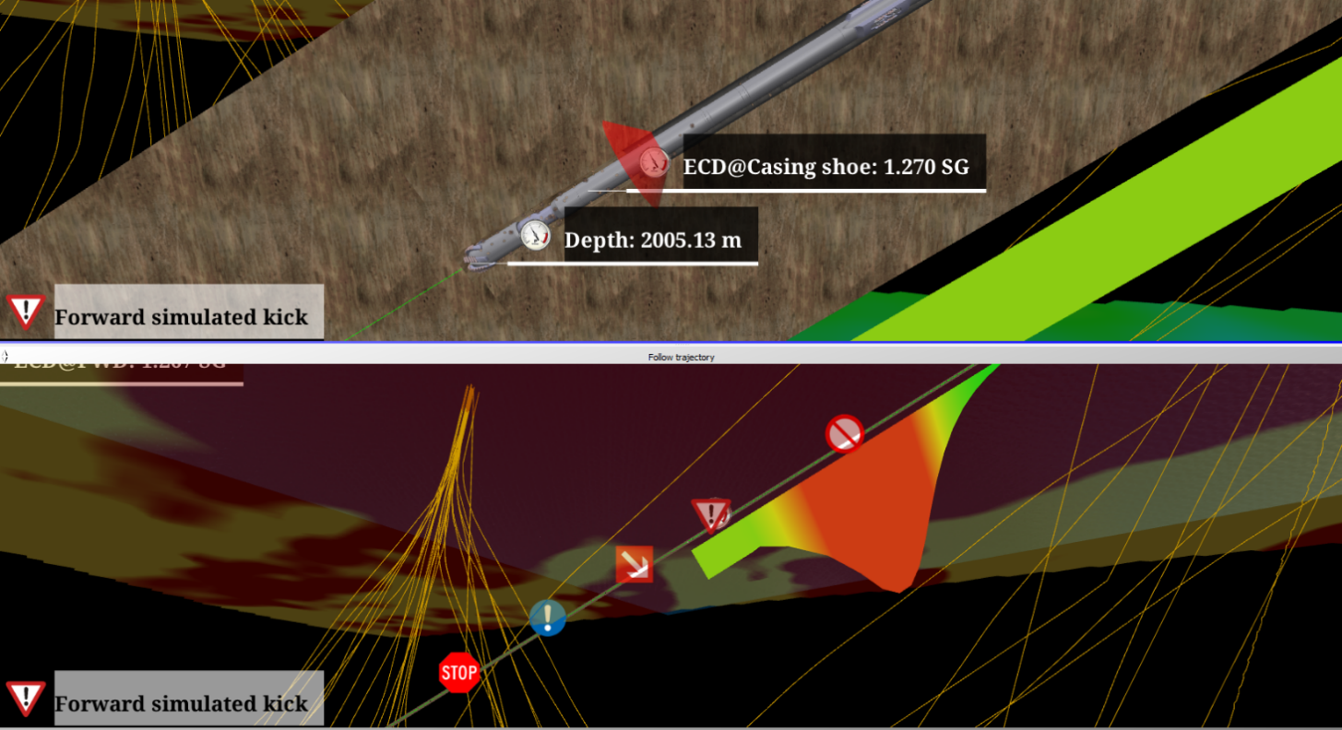

Doc number | TDS10191-6A |  | Version: | 6
Doc name | Standard input data
Project number | 0
Project name
 | Author | Reviewed |  | Approved
 | PRO | ;JN; |  | ;MS;
Date: | 2020-08-28 | 2020-08-28

Tubular
Comments:
* Add lowermost element of tubular to the top of the list (bit)
 |  |  |  |  |  |  |  |  |  |  |  | Total flow area (m)
 |  |  |  |  |  |  |  |  |  |  |  |  | Type Indentifer
 | Tubular name |  |  |  |  |  |  |  |  |  |  |  | 0 | Default - This is the identifier for unknown components.
 |  |  |  |  |  |  |  |  |  |  |  | Nozzle diameters (m) | 1 | Reamer - FM activates its ODMx as hole opener, if the reamer signal is true.
 | Reamer flow through ratio |  |  |  |  |  |  |  |  |  |  |  | 2 | Float Valve - FM activates float valve to prevent back flow up drill string.
 | Circulation sub flow through ratio |  |  |  |  |  |  |  |  |  |  |  | 3 | PDM - Positive Displacement Motor is used in TD and FM for identifying motor element in string.
 | Mud motor pressure loss (Pa) |  |  |  |  |  |  |  |  |  |  |  | 4 | BHA - Not used by the models.
 |  |  |  |  |  |  |  |  |  |  |  |  | 5 | Bit - Not used by the models.
 |  |  |  |  |  |  |  |  |  |  |  |  | 6 | Circulation Sub - When activated, the FM simulates that parts of the flow in the drill string passes through the circulation sub and into the annulus (user specifies fraction of flow that goes through circulation sub). This lead to less frictional pressure loss across bit nozzles and BHA.
 |  |  |  |  |  |  |  |  |  |  |  |  | 7 | Stabilizer - This is used by the data quality check, to ignore the inputted weight per length vs. the calculated weight per length (based on the diameters).
 |  |  |  |  |  |  |  |  |  |  |  |  | 8 | DSV - FM activates DSV (Drill String Valve) if rig pump is off and pressure difference across bit is below a user-specified threshold. DSV is deactivated if pumping is resumed and pressure difference across bit is above the user-specified threshold. This component avoids utubing in drill string.
 |  |  |  |  |  |  |  |  |  |  |  |  | 9 | Unused
 |  |  |  |  |  |  |  |  |  |  |  |  | 10 | Pipe - Not used by the models.
 |  |  |  |  |  |  |  |  |  |  |  |  | 11 | Coiled Tubing - TD uses this for identifying coiled tubing elements in the drill string.
Element | Type (identifier) | Length | OD | ID | MAX OD | TJ ID | TJ OD | TJ Length | Weight per m | Emod | YieldStrength
Name |  | (m) | (m) | (m) | (m) | (m) | (m) | (m) | (kg/m)

 |  |  |  |  |  |  |  |  |  |  |  | Bit to sensor distance (m)

WellboreGeometry
Comments:
All depths are with reference to RKB

Casing/Liner
Description | Hanger depth | Setting depth | ID | OD | Top of cement | Has casing shoe? | Hole diam | Roughness
 | (m) | (m) | (m) | (m) | (m) | (y/n) | (m) | m
Riser

RKB to Sea Surface (m):

Sea surface to Sea Bed (m):

Formation
Comments:
* All depths are with reference to RKB .
* For more accurate representation of the formations, formation properties that vary with depth within a formation must be specified vs. depth, e.g. using many data points per formation.
 |  |  | Cuttings density (kg/m^3)
 |  |  | Cuttings diametre (m)

Formation name | TVD Top | MD | Specific Heat | Thermal Conductivity
(text) | (m) | (m) | J/Kg*K | W/Km

Geological layers
To Front Page

Geology layers for the eDrilling 3D Vizualization (not needed for simulation and diagnosis, 3D vizualisation only)
eDrilling supports the "Irap classic grid (ASCII)" format from Petrel. The file should have an .gri extension(i.e filename.gri). An example of the file is shown below.

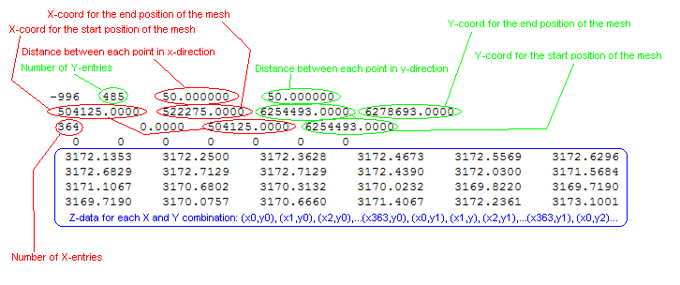

Petrel's "Irap classic grid" header explanation
When reading the Irap classic ASCII grid format, Petrel reads the header data to place the grid in the XY-plane. To do this Petrel only uses min. values for the X- and Y- directions, the number of nodes and increment in each direction, together with the correct rotation from the X- direction. When the grid in the XY- plane is made, the Z- values for each node is read, starting with the node in the lower left corner(node 0,0), and is read row by row(J- direction first). The header consists of three lines: 1. First line: A number(code) not used by Petrel, Number of nodes in J-direction, X-increment(I-direction) an Y-increment(J-direction). 2. Second line: X-min value, X-max value, Y-min value and Y-max value. 3. Third line: Number of nodes in I-direction, Angle of rotation counter clockwise from X-axis in degrees, then two values read by Petrel. Undefined values in Irap classic ASCII format grid is set to 99999.0000 To indicate a new row in the grid, the Z-values are separated by a line shift

wellSim hiDRILL Formation
Comments:
* All depths are with reference to RKB .
* For more accurate representation of the formations, formation properties that vary with depth within a formation must be specified vs. depth, e.g. using many data points per formation.

Formation name | TVD Top | MD | Density | Rock type | Specific Heat | Thermal Conductivity | Productivity index | Permeability | Porosity | Emod | Yield | Friction
(text) | (m) | (m) | (SG) |  | J/Kg*K | W/Km |  | millidarcy | %

